A. Summary Data
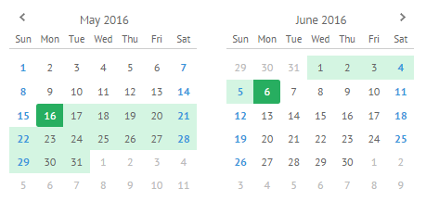
REPORTS
A. Checking of Summary Data
1. Daily Data
2. Monthly Data
3. Yearly Data
4. Custom daterange

FACTORY | NORTH | SOUTH | AT PORT | IRS / CHASSI | BEYOND 5 DAYS | DELIVERY |  |  |  | BERTHED | DISCHARGE | GATEPASS | UNLOADING
 |  |  |  |  |  | FACTORY | WITH CHASSI | IRS | TOTAL |  |  |  | DIRECT UNLOADING | UNLOADED FROM CY | UNLOADED FROM IRS | TOTAL
HTI
WUKONG
SCAD
PV
HRD
MEC
MLC

FACTORY | BL | INVOICE NO. | SUPPLIER | COMMODITY | SHIPPING LINE | CONNECTING VESSEL | POL | COUNTRY | POD | ETD | ETA | ATA | ATB | ATD | VOLUME | SIZE
HTI
WUKONG
SCAD
PV
HRD
MEC
MLC

cntrs at port
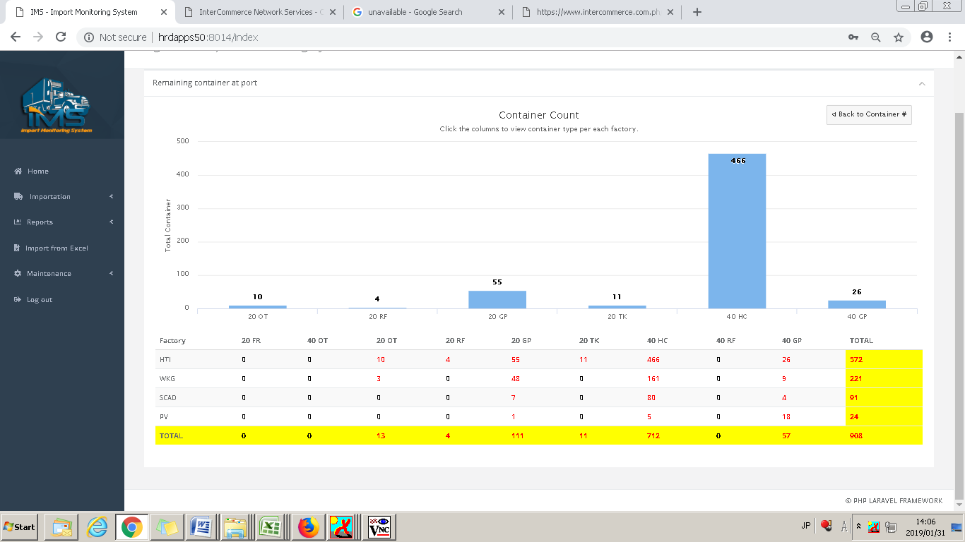

FACTORY | BL | INVOICE NO. | SUPPLIER | COMMODITY | SHIPPING LINE | CONNECTING VESSEL | POL | COUNTRY | CONTAINER NO. | POD | ETD | ETA | ATA | ATB | ATD | VOLUME | SIZE
HTI
WUKONG
SCAD
PV
HRD
MEC
MLC

